2. Population Flow
 |  |  |  |  |  |  |  |  |  |  |  |  |  | Title page

Population flow

Exclusion flag
Condition: max_order <
Obervations to be removed:
Final total count of order_products_all:

Orders_products_combined
Orders_products_merged
Orders_products_all

Total:
Total:
Total:

1.) The grey boxes in the first row of the population flow represent the original data sets as they were when you downloaded them. In the Total fields you need to add the count of the rows when you imported the data set into Jupyter.
2.) The second row of boxes (coloured) represents the data sets after you manipulated them, e.g., removed missing values and duplicates. In the Total fields you need to add the count of the rows after conducting these operations. This offers a visual oveview of how the data flows throughout the data consistency checks.
3.) The third row, where also the arrows are coloured, represents the merges you performed between the datasets. In the Total fields you need to add the count of the rows in the merged datasets, so that you end up with the final dataset (in the red box). Keep in mind the final dataset should be without exclusions (based on the exclusion flag).

Orders- original data | Total: | 3421083 | orders_products_prior - original data | Total: 32434489 |  | Products - original data | Total: | 49693 | Customers - original data | Total: 206209 |  |  | Exclusion Flag | Conditions: max_order <5 Observations to be removed: 2884 Final total count of order_products_all: 32401975

 | Orders - after consistency checks | Total: 3421083 |  | orders_products_prior - after consistency checks | Total:32434489 |  | Products - after consistency checks | Total: 49672 |  | Customers - after consistency checks | Total: | 206209

 |  |  |  | Orders_products_combined |  | Orders_products_merged |  |  | Orders_products_all
 |  |  |  | Total: 32434489 |  | Total: | 32404859 |  | Total: | 32404859

Note: | The online version of Excel did not show the graphic elements and having Windows in a virtual machine and working on Python was not compatible with my PC, so I recreated it.

3. Consistency checks
 |  |  |  |  |  |  | Title page
Consistency checks

Dataset | Missing values | Missing values treatment | Duplicates
orders | A lot of missing values in "days_since_prior_order" but could be just a result of new customers not having prior orders | Changed to 0. They are not missing values, they are all for first orders. | No duplicates found
products | 16 in column product name | Removed from data frame | 5 Duplicates found
orders_products_prior | No missing values | None required | None found
customers | No missing values | None required | None found

Consistency check on days_since_prior_order |  | we changed earlier the missing values to 0, because the missing values represented first orders

order_number | 1 | 2 | 3 | 4 | 5 | 6 | 7 | 8 | 9 | 10 | ... | 90 | 91 | 92 | 93 | 94 | 95 | 96 | 97 | 98 | 99
days_since_prior_order
0 | 2076096 | 20536 | 20441 | 17984 | 16438 | 16046 | 14384 | 13890 | 12774 | 11460 | ... | 1195 | 1148 | 1040 | 937 | 1134 | 1099 | 1041 | 883 | 1037 | 935
1 | 0 | 31674 | 29950 | 28010 | 27092 | 25533 | 24996 | 22921 | 21783 | 21067 | ... | 2787 | 2801 | 2728 | 2605 | 2606 | 2639 | 2436 | 2535 | 2633 | 2363
2 | 0 | 46454 | 46264 | 43902 | 40729 | 40907 | 38101 | 37519 | 35745 | 33830 | ... | 3623 | 3555 | 3314 | 3589 | 3319 | 3072 | 2985 | 3057 | 3091 | 2609
3 | 0 | 61637 | 63388 | 59996 | 57882 | 56183 | 52869 | 49291 | 48295 | 47826 | ... | 3318 | 3237 | 2799 | 3073 | 2902 | 2635 | 2658 | 2462 | 2168 | 2467
4 | 0 | 76733 | 78861 | 73540 | 70519 | 66569 | 62399 | 61143 | 59499 | 57700 | ... | 2342 | 2260 | 2490 | 2031 | 1800 | 2083 | 1918 | 1792 | 1695 | 1810
5 | 0 | 88999 | 91741 | 86503 | 81859 | 77583 | 73584 | 70020 | 64468 | 63154 | ... | 1630 | 1630 | 1367 | 983 | 1215 | 1220 | 1166 | 966 | 912 | 936
6 | 0 | 120681 | 122871 | 114644 | 106764 | 100756 | 95954 | 89752 | 87203 | 78634 | ... | 754 | 842 | 940 | 1014 | 835 | 570 | 490 | 602 | 485 | 542
7 | 0 | 184802 | 181656 | 167597 | 157442 | 143628 | 137675 | 128423 | 120734 | 114769 | ... | 634 | 573 | 521 | 440 | 602 | 421 | 420 | 378 | 419 | 322
8 | 0 | 112324 | 110742 | 102217 | 94945 | 87611 | 81622 | 78760 | 71070 | 67567 | ... | 238 | 262 | 228 | 244 | 275 | 232 | 234 | 143 | 137 | 84
9 | 0 | 73676 | 75379 | 68513 | 65045 | 58933 | 54801 | 50593 | 47752 | 43483 | ... | 190 | 90 | 98 | 101 | 146 | 91 | 67 | 102 | 66 | 65
10 | 0 | 62037 | 62457 | 57676 | 51916 | 49463 | 43706 | 41110 | 38443 | 34916 | ... | 60 | 103 | 222 | 78 | 45 | 116 | 4 | 101 | 42 | 59
11 | 0 | 55561 | 55918 | 51974 | 45512 | 42542 | 40174 | 36884 | 33404 | 30830 | ... | 57 | 83 | 175 | 55 | 68 | 126 | 63 | 64 | 1 | 19
12 | 0 | 54604 | 56630 | 51043 | 44615 | 42591 | 38685 | 35331 | 33477 | 29857 | ... | 58 | 54 | 70 | 32 | 50 | 75 | 55 | 52 | 5 | 66
13 | 0 | 63962 | 66351 | 58478 | 54339 | 47725 | 44872 | 41268 | 38333 | 34275 | ... | 69 | 93 | 93 | 80 | 85 | 24 | 27 | 61 | 83 | 68
14 | 0 | 82109 | 79773 | 74714 | 67484 | 60476 | 54863 | 49237 | 46265 | 42381 | ... | 38 | 8 | 13 | 96 | 55 | 41 | 32 | 54 | 33 | 5
15 | 0 | 54492 | 53593 | 50229 | 44029 | 39497 | 35548 | 33879 | 29615 | 27757 | ... | 44 | 14 | 31 | 25 | 6 | 23 | 20 | 17 | 7 | 17
16 | 0 | 38887 | 39524 | 34481 | 30581 | 28286 | 25429 | 22407 | 22373 | 20587 | ... | 65 | 20 | 7 | 0 | 12 | 0 | 39 | 50 | 17 | 10
17 | 0 | 31942 | 32861 | 29823 | 26271 | 23860 | 20629 | 18592 | 17567 | 16012 | ... | 14 | 0 | 32 | 0 | 16 | 7 | 4 | 23 | 0 | 5
18 | 0 | 31615 | 30484 | 27305 | 24859 | 21999 | 19165 | 17597 | 16762 | 15066 | ... | 0 | 1 | 13 | 0 | 20 | 0 | 51 | 0 | 0 | 26
19 | 0 | 29890 | 31364 | 26501 | 23852 | 21441 | 19910 | 17867 | 15702 | 14316 | ... | 0 | 6 | 0 | 0 | 0 | 0 | 21 | 14 | 0 | 0
20 | 0 | 35489 | 35213 | 31767 | 28748 | 25526 | 23119 | 19785 | 17132 | 16038 | ... | 31 | 41 | 7 | 0 | 9 | 0 | 0 | 0 | 0 | 0
21 | 0 | 43945 | 44587 | 37647 | 32182 | 31429 | 26005 | 23502 | 20599 | 19549 | ... | 19 | 0 | 32 | 12 | 0 | 19 | 0 | 0 | 12 | 0
22 | 0 | 30037 | 29490 | 26582 | 23394 | 20486 | 18492 | 16947 | 15403 | 13864 | ... | 0 | 9 | 0 | 0 | 0 | 0 | 0 | 0 | 0 | 0
23 | 0 | 22950 | 24117 | 19794 | 17068 | 15570 | 13896 | 11557 | 11146 | 8681 | ... | 13 | 0 | 0 | 0 | 0 | 9 | 0 | 0 | 0 | 0
24 | 0 | 19287 | 19434 | 16898 | 15718 | 13536 | 12404 | 10803 | 9504 | 8252 | ... | 0 | 0 | 0 | 0 | 0 | 0 | 0 | 0 | 0 | 0
25 | 0 | 18759 | 19368 | 16264 | 14223 | 12605 | 10713 | 9214 | 8535 | 7797 | ... | 0 | 0 | 0 | 0 | 0 | 0 | 0 | 0 | 0 | 0
26 | 0 | 18449 | 19464 | 16067 | 14922 | 12991 | 11803 | 9902 | 8717 | 7911 | ... | 0 | 0 | 0 | 0 | 0 | 9 | 0 | 0 | 0 | 0
27 | 0 | 21333 | 22614 | 20202 | 18333 | 14454 | 12479 | 11797 | 10209 | 8594 | ... | 12 | 0 | 0 | 0 | 0 | 0 | 0 | 0 | 0 | 0
28 | 0 | 27969 | 28780 | 25260 | 20869 | 18116 | 16532 | 14232 | 12702 | 10896 | ... | 0 | 0 | 0 | 0 | 0 | 0 | 6 | 0 | 0 | 0
29 | 0 | 19943 | 19840 | 17003 | 14768 | 13290 | 11258 | 10092 | 8856 | 7650 | ... | 0 | 4 | 0 | 0 | 0 | 0 | 0 | 0 | 0 | 0
30 | 0 | 465633 | 455713 | 365995 | 294503 | 241262 | 196568 | 163732 | 135424 | 113059 | ... | 6 | 11 | 3 | 0 | 0 | 5 | 0 | 0 | 8 | 13

4. Wrangling steps
Wrangling steps

Columns dropped | Columns renamed | Columns' type changed | Comment/Reason
eval_set |  |  | Column not needed
 | order_dow to orders_day_of_week |  | Better readability
 |  | oder_id to string | Take it out of describe output
 |  | user_id to string | Unnecessary numeric identifier
 | Gender to gender |  | Uniformity
 | STATE to state |  | Uniformity
 | Age to age |  | Uniformity
 | n_dependants to num_dependants |  | Better readability
 | fam_status to family_status |  | Better readability
First Name and Surname |  |  | Annonymity
 |  | order_id to int32 | Had to convert all the following the data types to smaller ones because my pc was not able to process the merge even with bigger Swap
 |  | order_number to int16
 |  | orders_day_of_week to int8
 |  | order_hour_of_day to int8
 |  | product_id to int32
 |  | add_to_cart_order to int16
 |  | reordered to int8
 |  | aisle_id to int16
 |  | department_id to int8
 |  | max_order to int16
 |  | age to int8
 |  | num_dependants to int8
 |  | days_since_prior_order to float32
 |  | prices to float32
 |  | mean_spending to float32
 |  | median_order_prior_days to float32
 |  | income to int32
 |  | user_id to category
 |  | product_name to category
 |  | loyalty_flag to category
 |  | spending_flag to category
 |  | order_frequency_flag to category
 |  | gender to category
 |  | state to category
 |  | family_status to category
 |  | date_joined to datetime64[ns]

Data security concnerns | The last and first names got removed from the dataframe at an earlier point and nothing at this point can be used to identify any customers. The customer ID can not be used to identify any individuals without access to additional internal data.

5. Column derivations
Column derivations and aggregations

In this tab you should add tables below that the frequences of flags/label variables that you produced after deriving them. NB: don't do this for continuous variables, only for flags.
Dataset | New column | Column/s it was derived from | Conditions
ords_prods_merge | price_range_loc | prices | if prices <= 5 → 'Low-range product' if prices > 5 and <= 15 → 'Mid-range product' if prices > 15 → 'High range' else → 'Not enough data'
ords_prods_merge | busiest_day | orders_day_of_week | if value = 0 → "Busiest day" if value = 4 → "Least busy" else: "Regularly busy"
ords_prods_merge | busiest_days | orders_day_of_week | if value = 0 or value = 1 → "Busiest days" if value = 4 or value = 3 → "Least busy days" else: "Regularly busy days"
ords_prods_merge | busiest_hour | order_hour_of_day | if 10 <= value <= 16 → "Busiest hours" if 0 <= value <= 6 → "Least busy hours" else: "Regularly busy hours"
ords_prods_merge | loyalty_flag | max_order | value > 40 → 'Loyal customer' value <= 40 and > 10 → 'Regular customer' value <= 10 → 'New customer'
ords_prods_merge | spending_flag | mean_spending | mean_spending < 10 → 'Low spender' mean_spending >= 10 → 'High spender'
ords_prods_merge | order_frequency_flag | median_order_prior_days | value > 20 → 'Non-frequent customer' value > 10 and <= 20 → 'Regular customer' value <= 10 → 'Frequent customer'
df_final | region | state | Every state got assigned to a region based on the regions in this article: https://simple.wikipedia.org/wiki/List_of_regions_of_the_United_States
df_final | low_activity flag | total_orders | Low-activity customers → < 5 orders
df_final | age_group | age | Customers age < 25 → 'Young adult' age >= 25 - 40 → 'Adult' age >= 40 - 60 → 'Middle-aged' age >= 60 → 'Senior'
df_final | income_group | income | income <= 50.000 → 'low_income' income > 50.000 - <= 150.000 → 'middle_income' income > 150.000 → 'high_income'
df_final | grocery_category | department_id | 1: 'frozen', 2: 'other', 3: 'bakery', 4: 'produce', 5: 'alcohol', 6: 'international', 7: 'beverages', 8: 'pets', 9: 'dry goods pasta', 10: 'bulk', 11: 'personal care', 12: 'meat seafood', 13: 'pantry', 14: 'breakfast', 15: 'canned goods', 16: 'dairy eggs', 17: 'household', 18: 'babies', 19: 'snacks', 20: 'deli', 21: 'missing'
df_final | dependents_group | dependents | Number dependents < 1 → 'Single Household' Number dependents >= 1 → 'Parent Household'
df_final | order_dow_name | orders_day_of_week | 0: 'Saturday', 1: 'Sunday', 2: 'Monday', 3: 'Tuesday', 4: 'Wednesday', 5: 'Thursday', 6: 'Friday'
df_final | customer_profile | age_group income_group dependents_group | Young Singles': Young Adult, Low to Middle Income, Single Household 'Young Families': Adult, Middle Income, Parent Household 'Middle-Aged Professionals': Middle-aged, High Income, Single or Parent Household 'Retired Seniors': Senior, Low to Middle Income, Single Household 'Affluent Empty Nesters': Senior, High Income, Single Household

6. Visualizations
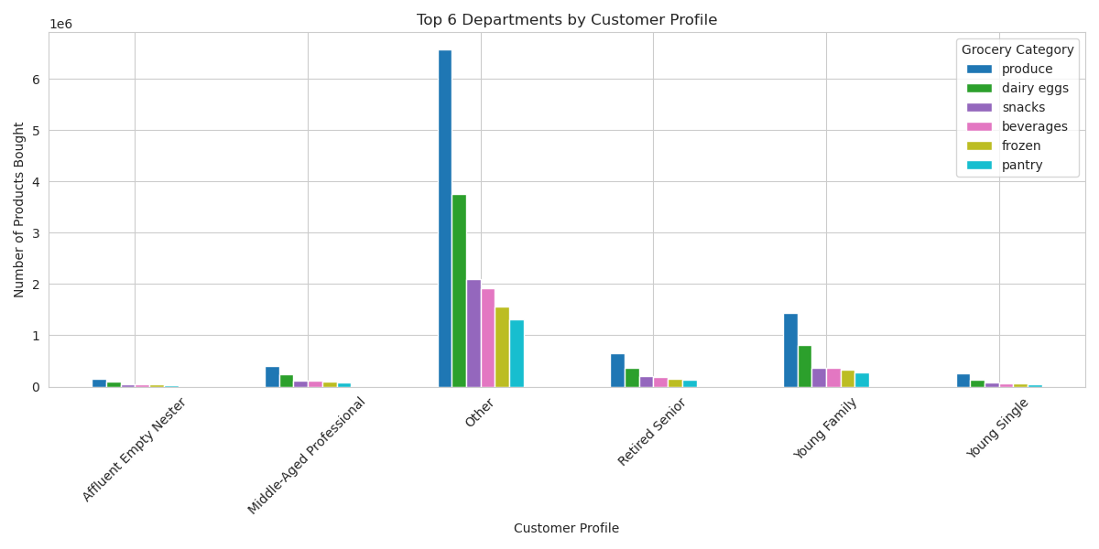
 |  |  |  | Title page

Visualisations

In this tab you should include all the visualtions from Exercises 4.9 and 4.10, alongside the questions from the project brief that they answer. Include any commentary on the relationship between different variables.

 | Key Questions

 | 1. Busiest days of the week and hour of the day - days and times with most orders |  | The busiest days are Saturday and Sunday. The busiest hours are between 9-18.

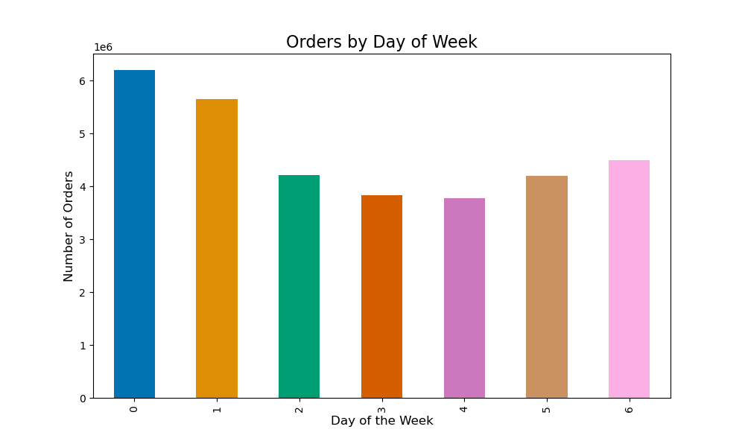 |  | 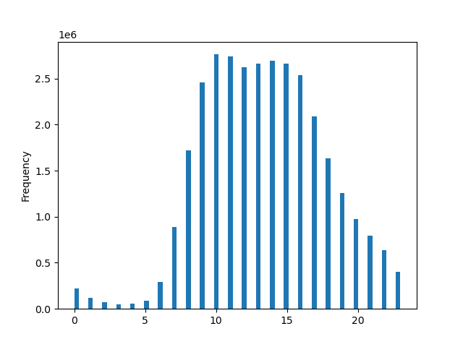
 | 2. Times of the day with most money spend |  | Times with the most spendng are between 1 and 15.
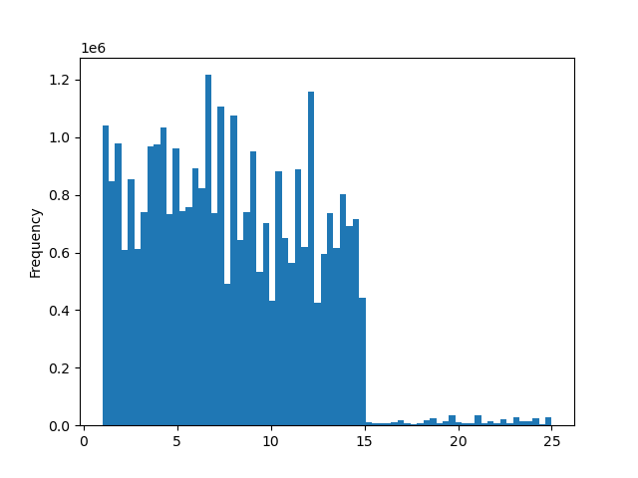 |  | 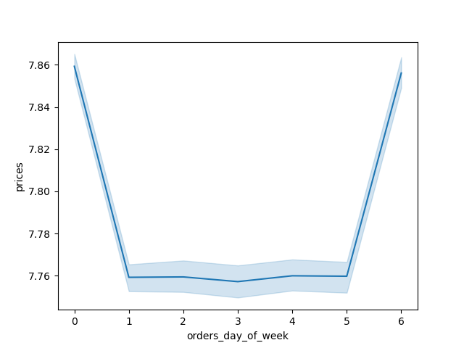
 | 3. Price range groupings |  | As we can see clearly, the number of High-range products is very low, number of low-range products is half as big as number of mid-range products, which makes the biggest part of products.
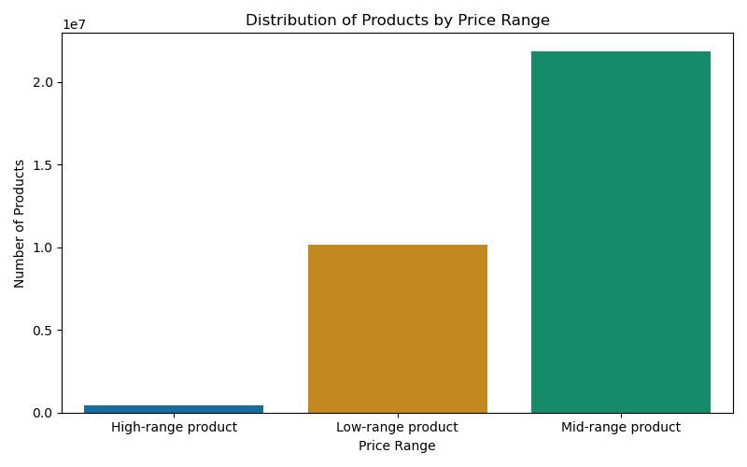 | ?
 | 4. Departments with highest frequency of product orders |  | Her one can see clearly that produce is the most ordered with a big gap to dairy eggs and next and a big jump after that to snacks and then the distrubtion seems more even till pantry and goes a bit more down at bakery and pretty even line going down from then on.
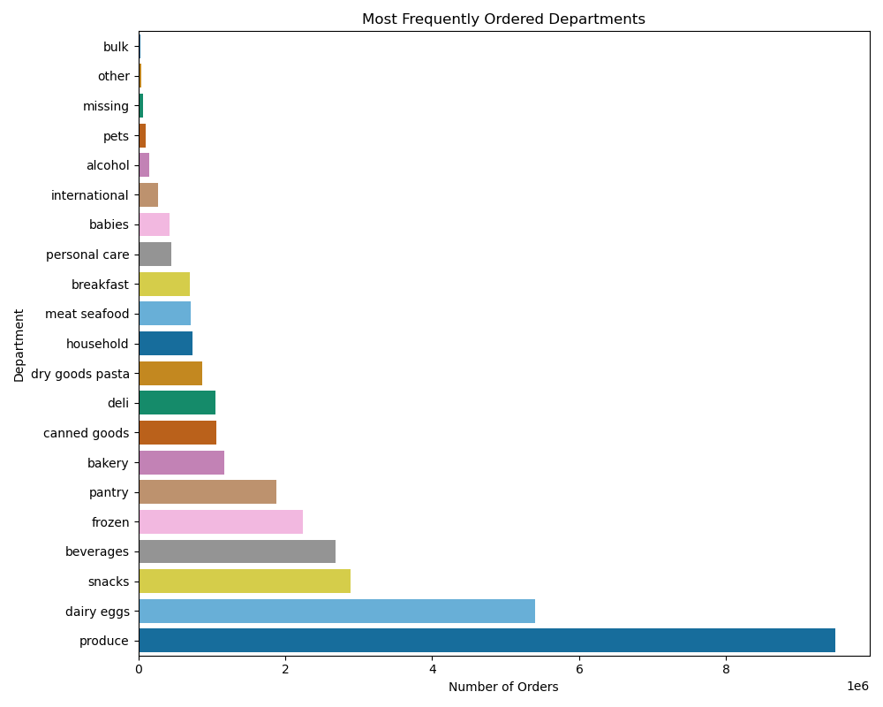
 | 5. Different types of customers and their ordering behaviours

 | 5.1 Distribution brand loyalty |  | As the bar chart shows clearly, the segment Regular customer ist by far the strongest, followed with like 2/3 of that, Loyal customer and like 2/3 of Loyal customers and a bit less than half o of Regular customers is the segment New customer.
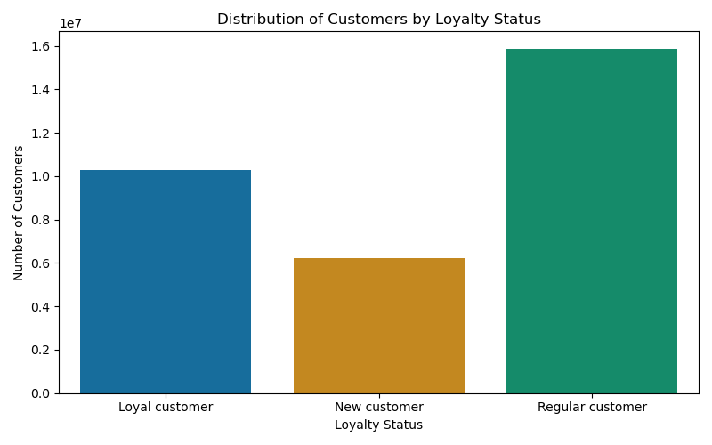

 | 5.2 Differences in ordering habits based on customer's loyalty status |  | Distribution of orders among customers in terms of loyalty. As the bar chart shows clearly, the segment Regular customer ist by far the strongest regarding orders, followed with like 2/3 of that, Loyal customer and a bit less than half of the orders of Regular customers is the segment New customer.
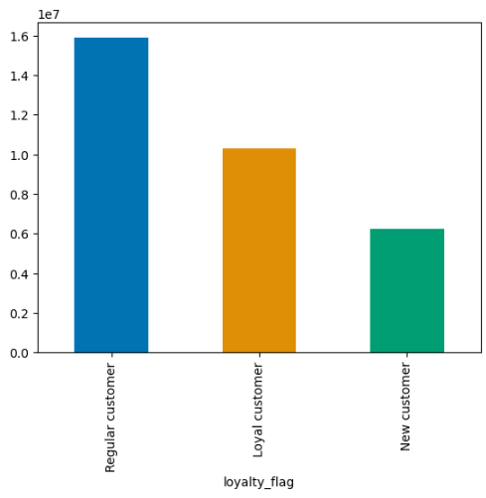
 | 5.3 Differences in ordering habits based on customer's region |  | The number of High and Lows spenders is the highest in the South and the lowest in the Northeast. West and Midwest are a bit lower than South but not as much different. West and Midwest don't have much difference with High Spenders and there is a bit step down with Northeast. Low Spender are a regular step down from West to Midwest and Northeast.
 | 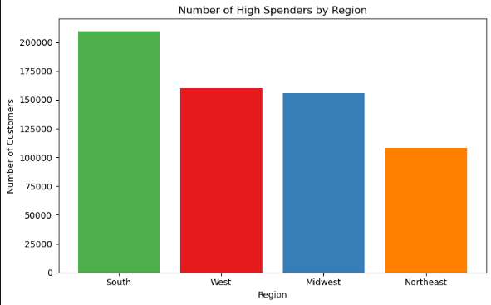 |  | 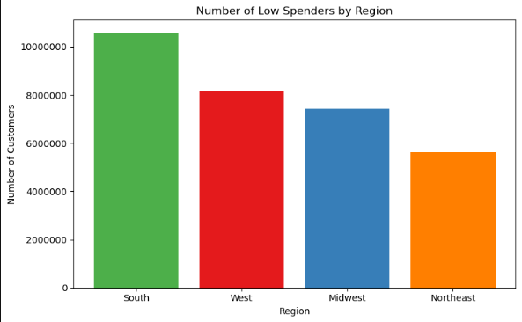
 | 5.4 Connection between age and family status in terms of ordering habits? |  | There seems to be a huge segment regarding income with lower income among all ages. No high and fewer middle income till age 40 and from 40 till 80 a strong segment in middle-income, but not as strong as low-income, and some high-income.
 | 
 | 5.5 Classifications on demographic information like age, income, certain types of goods and family status? |  | After some research about marketing and profiling we settled on Youg Family, Retired Seniour, Middle-Aged Professional, Young Single and Affluent Empty Nesters. Though the frequency showed that the number of customerst that don't fit those categories is pretty high. This would have been discussed with a senior analyst and the marketing and sales team in real life, if the profiles would stay that war or if we would change them. Most customers of the Other Profile are in the South, than Midwest and West and least in Northeast. Similar to the distribution of customers of the Young Family profile
 | 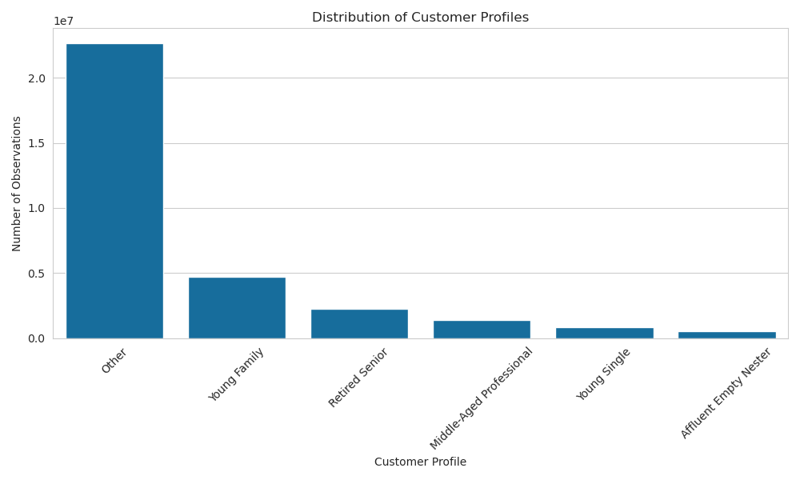 |  | 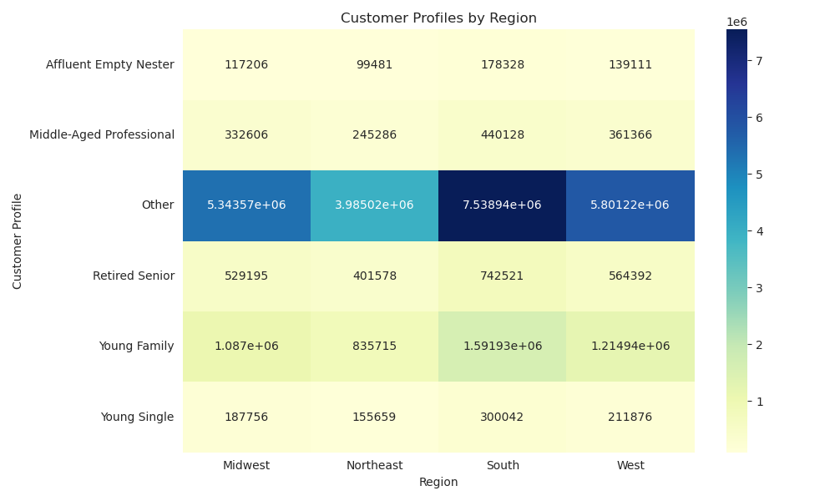
 | 5.6 Different ordering habits of different customer profiles? Regarding price of orders, products ordered and anything else one can think of |  | The "Other" group makes this a bit hard to read, like mentioned above, to exclude those would have been a discussion to be made. But it's pretty clear that produce and dairy and eggs are the biggest orders in every profile. And as expect from the profiles, especially high with Young Family and the Other profile, which includes a lot of families.

7. Recommendations
 |  | Title page

Recommendations

In this tab you should include any recommendations you would made to Instcart in terms of their marketing strategy based on the questions posed in the brief. Every key question has been covered in the Tasks of the Exercises - here you need to add an item - a visualisation or table/crosstable that is showing the answer in the data, acompanied by a comment from you. Please, list the questions below and add the answer underneath.

Question | Answer
1. Busiest Days and Times | Focus marketing campaigns and in-app promotions during peak hours on weekends to maximise customer engagement. Consider offering time-limited weekend deals or flash discounts between 9–18h to increase conversions.
2. Times of Day with Highest Spending | Introduce premium product placements and upsell suggestions during morning to early afternoon hours. Consider testing early-bird discounts or breakfast/lunch bundle offers during this timeframe.
3. Price Range Groupings | Marketing should primarily focus on mid-range products with targeted promotions. Highlight value-for-money deals in this category, and consider campaigns aimed at converting some low-range buyers to mid-range. High-range items could benefit from niche targeting, such as premium or special-occasion campaigns.
4. Most Frequently Ordered Departments | Use produce as a lead-in category in promotional material (e.g. "Fresh picks of the week"). Cross-sell with dairy and snack items. Consider featuring these top departments more prominently on the homepage or app banner for returning users.
5.1 Brand Loyalty Distribution | Strengthen retention strategies for Regular customers to move them into the Loyal segment — e.g. loyalty rewards or personalised discounts. For New customers, focus on onboarding journeys and first-time offers to increase their repeat purchase likelihood.
5.2 Ordering Habits by Loyalty | Double down on re-engagement campaigns aimed at Regular customers, using personalised suggestions. Consider follow-up prompts for New customers after first purchase to build habits.
5.3 Regional Differences | Tailor regional marketing strategies — allocate more budget to campaigns in the South, with separate messaging for high- and low-income groups. For the Northeast, try targeted campaigns to boost engagement in this underperforming region.
5.4 Age & Family Status Connection | Adjust marketing tone and product suggestions by age group. For younger, low-income users, highlight budget-friendly bundles and discounts. For older, higher-income users, promote convenience and premium products.
5.5 Customer Profile Classification | Refine the classification with the help of marketing experts and additional data. For now, focus targeted efforts on the well-defined groups, especially the large “Young Family” profile, while exploring better segmentation for the "Other" group.
5.6 Ordering Habits of Profiles | Customise product promotions by profile — e.g. offer family-size bundles for the “Young Family” group. Use the strong base of produce and dairy to build targeted cross-sell campaigns based on profile-specific needs (e.g. baby products for Young Families).

